Sheet1
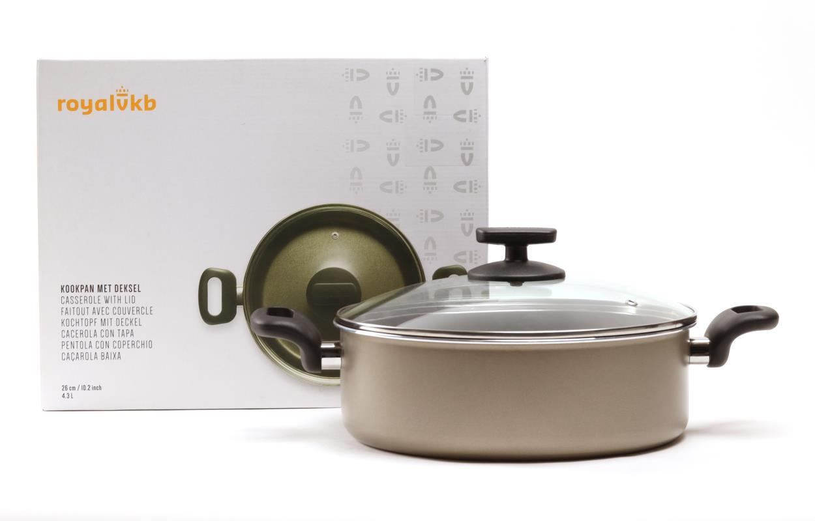
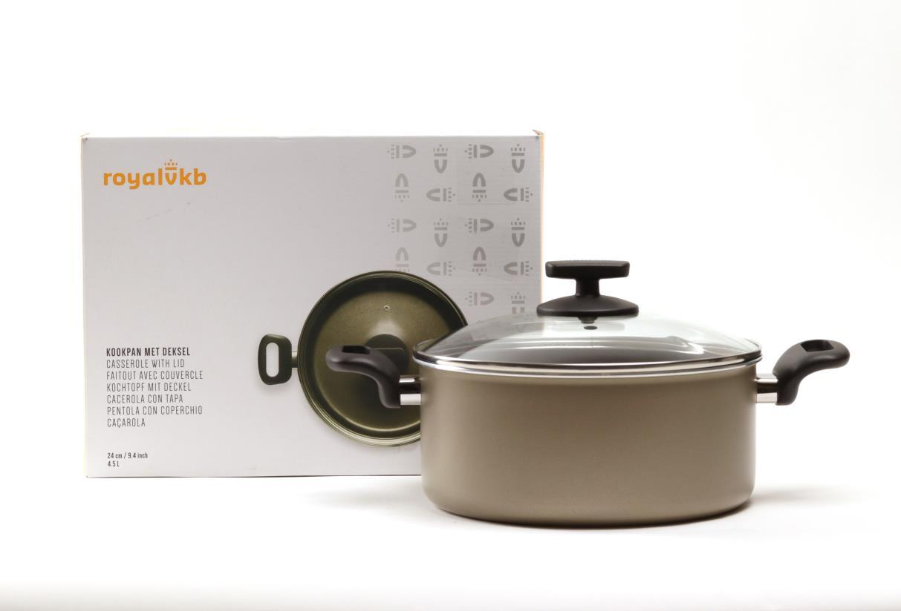
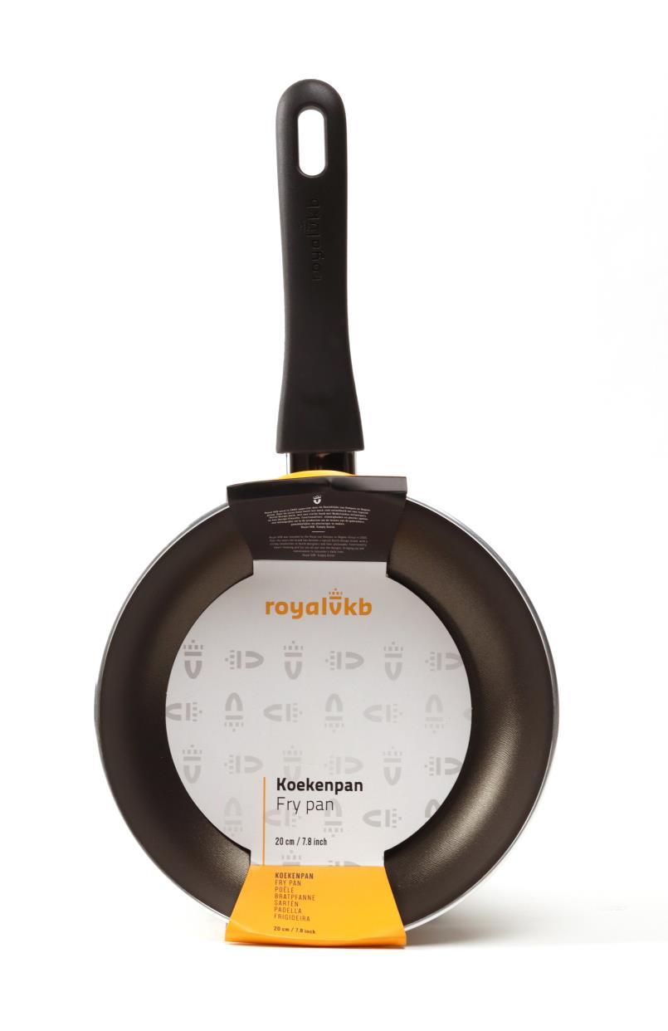
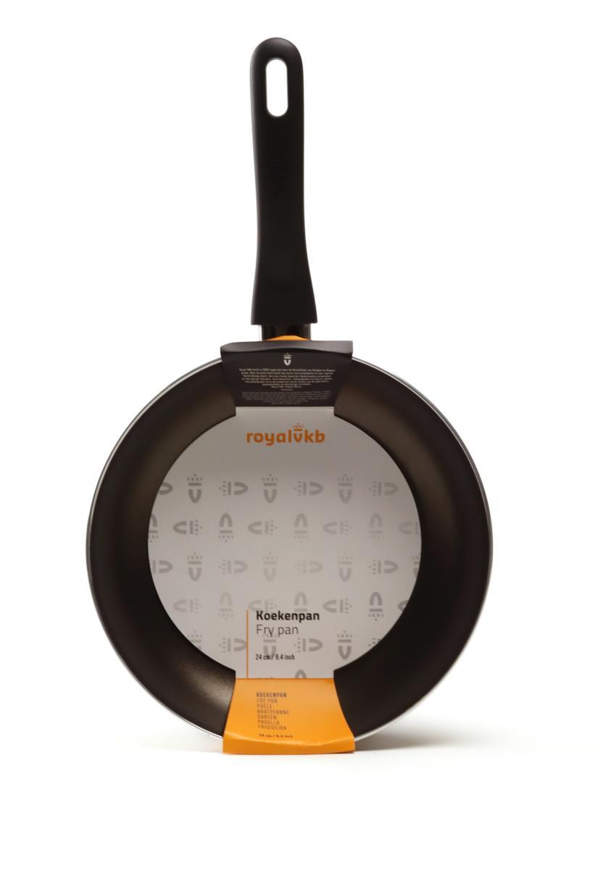
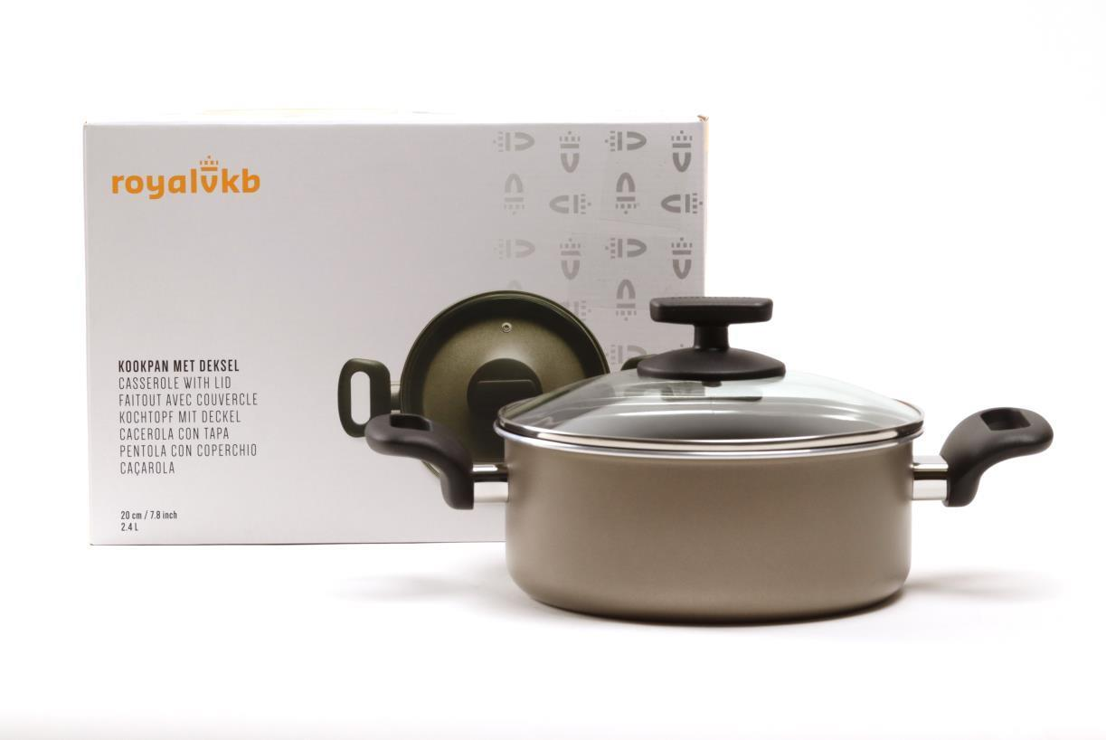
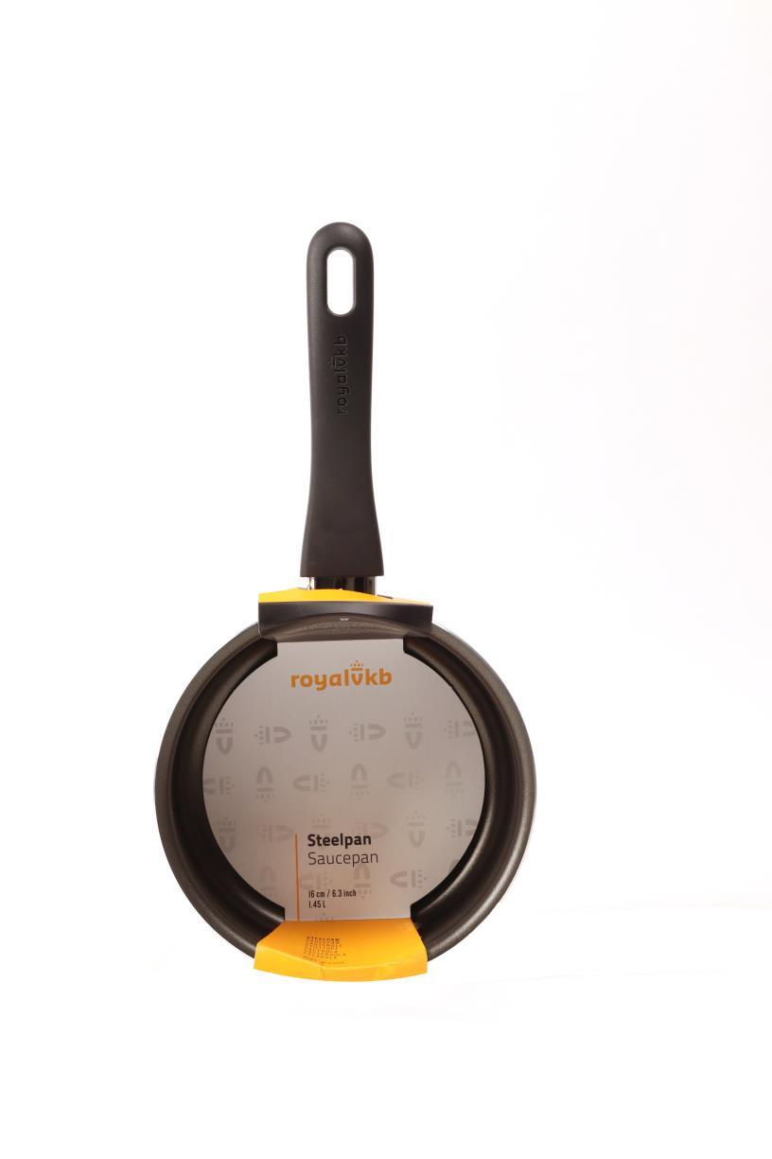
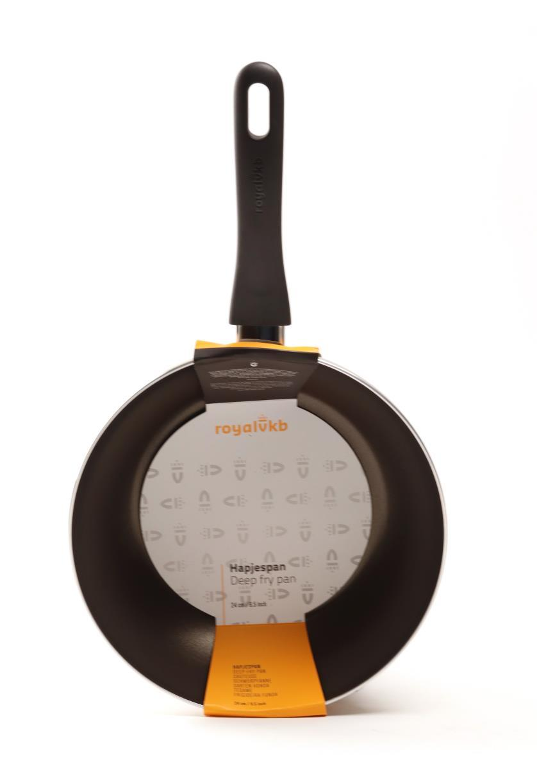
Picture | Item code | Description | Extra information | Restriction | Stock | Sales price EXW | Retail price | Barcode | Quantity PU | Quantity pallet | Pallet | Origin | Customs code | Item weight | Languages on package | Group
 | 20460 | Royal VKB, Casserole 26cm with Lid 4,3L | CW0645 Aluminium cookware. No induction |  | 300998 | 6.5 | 49.99 | 8718973994081 | 4 | 96 | Europallet 120x80 | CN | 7615109090 | 2000 | NL, EN, FR, DE, IT, ES, PT | Royal VKB
 | 20459 | Royal VKB, Casserole 24cm with Lid 4,5L | CW0644 Aluminium cookware. No induction |  | 81817 | 5.9 | 44.99 | 8718973994050 | 4 | 80 | Europallet 120x80 | CN | 7615109090 | 1900 | NL, EN, FR, DE, IT, ES, PT | Royal VKB
 | 20455 | Royal VKB, Frypan 20cm | CW0600 Aluminium cookware. No induction |  | 73250 | 3.9 | 24.99 | 8718973979354 | 4 | 280 | Europallet 120x80 | CN | 7615109090 | 440 | nl eng | Royal VKB
 | 20456 | Royal VKB, Frypan 24cm | CW0601 Aluminium cookware. No induction |  | 31459 | 4.9 | 29.99 | 8718973979385 | 4 | 192 | Europallet 120x80 | CN | 7615109090 | 600 | en nl | Royal VKB
 | 20458 | Royal VKB, Casserole 20cm with lid 2,4L | CW0647 Aluminium cookware. No induction |  | 25595 | 5.5 | 39.39 | 8718973994319 | 4 | 96 | Europallet 120x80 | CN | 7615109090 | 2500 | NL, EN, FR, DE, IT, ES, PT | Royal VKB
 | 20454 | Royal VKB, Saucepan 16cm 1,45L | CW0599 Aluminium cookware. No induction |  | 20014 | 3.75 | 18.99 | 8718973979323 | 4 | 252 | Europallet 120x80 | CN | 7615109090 | 500 | NL, EN, FR, DE, IT, ES, PT | Royal VKB
 | 20457 | Royal VKB, Stirfrypan 24cm | CW0602 Aluminium cookware. No induction |  | 11578 | 5.5 | 34.99 | 8718973979408 | 4 | 144 | Europallet 120x80 | CN | 7615109090 | 666 | NL, EN, FR, DE, IT, ES, PT | Royal VKB

